Seismic
Length of Floor, L= |  |  | 95.5 | ft | = | 29.115853659 | m
Width of Floor, W= |  |  | 40.833 | ft | = | 12.449085366 | m
Height of Building, H= |  |  | 92 | ft | = | 28.048780488 | m | (including Water tank and Lift)

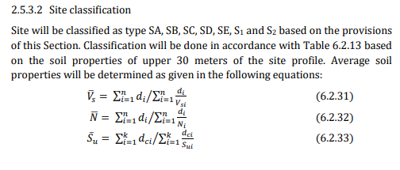
subsoil investigation data (for borehole no.1) |  |  |  | from soil test report

 |  | depth (m) | SPT(N) | depth/SPT (d/N)
stiff clay |  | 5 | 9 | 0.55555555556
loose silty sand |  | 10 | 14 | 0.71428571429
shale |  | 15 | 55 | 0.27272727273
 |  | 0 | 1 | 0
 |  | 0 | 1 | 0
 |  | 0 | 1 | 0
 |  | 0 | 1 | 0
 |  | 0 | 1 | 0
 |  | 0 | 1 | 0
 |  | 0 | 1 | 0
 |  | 0 | 1 | 0
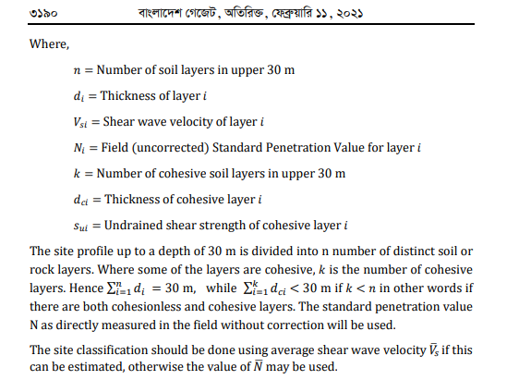
 |  | 0 | 1 | 0
 |  | 0 | 1 | 0
 |  | 30 |  | 1.5425685426

SPT(N)= | field uncorrected SPT value of layer i

corrected SPT value N= |  |  | 19.44808232

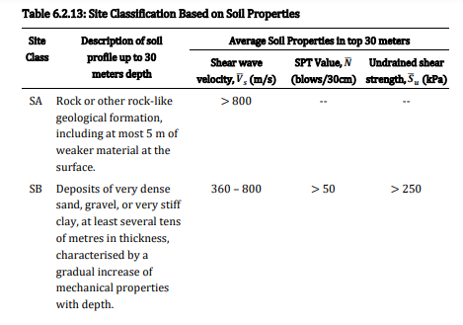

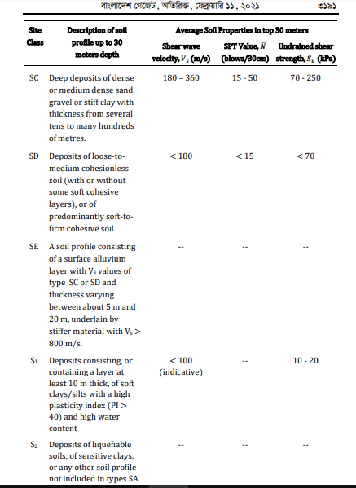

form Table 6.2.13,P-612 we get
site class= |  | SC

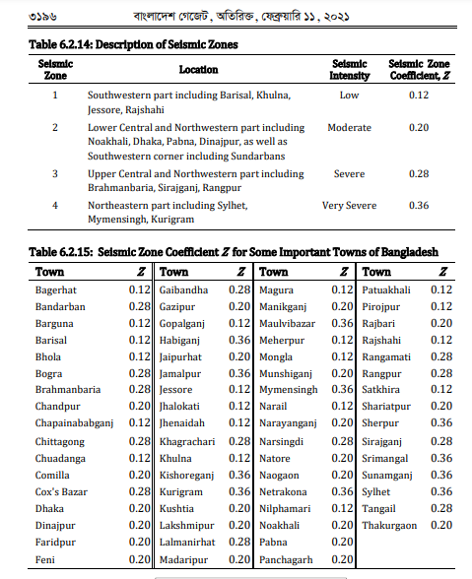

form Table 6.2.14, 6.2.15, P-618 we get
Zone= |  | 3
seismic zone co-efficient, Z= |  |  | 0.28 | (for Chittagong)

Structural Importance factor I,

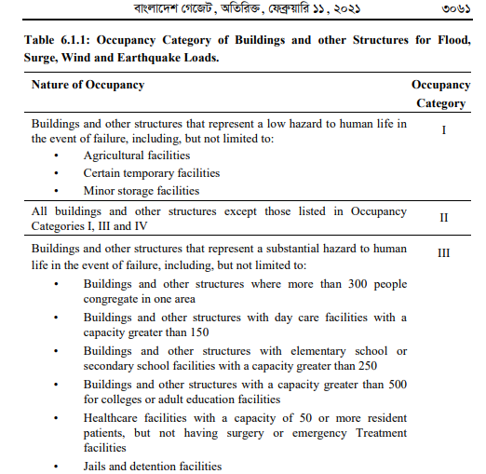

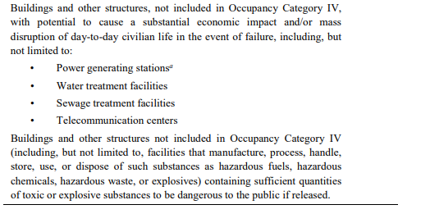

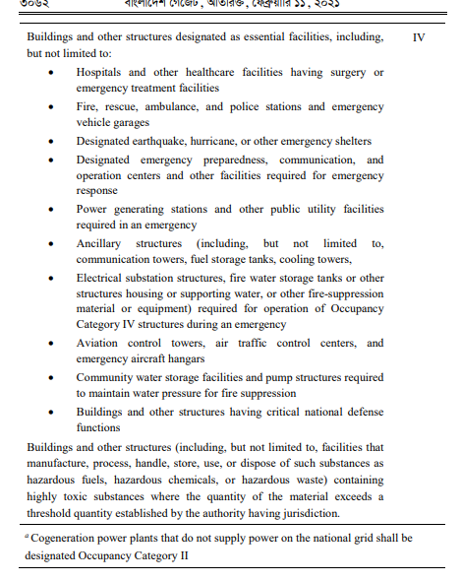

Here , occupancy type (from Table 6.1.1, P-683)= |  |  |  |  | 2

Here , Importance factor I (from Table 6.2.17)= |  |  |  | 1 | (page619)

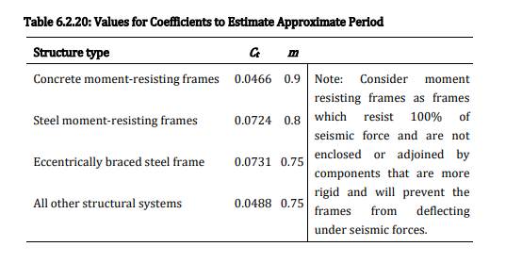

(from Table 6.2.20, P-631)=

Ct= | 0.0466 |  | (from Table 6.2.20, P-631)=
m= | 0.9 |  | (from Table 6.2.20, P-631)=

Calculate Time period, T= |  |  | 0.94

frequency, f=1/T= |  |  | 1.07

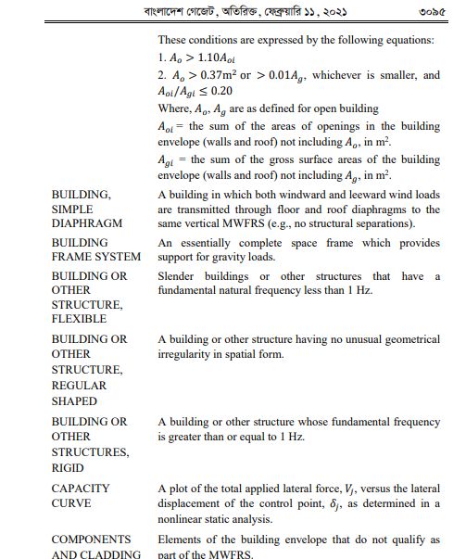

Page 517, check whether the structure is rigid, or semi rigid
the structure is rigid, etabs diaphram d= |  |  |  | rigid
if the structure is rigid, etabs diaphram d=rigid

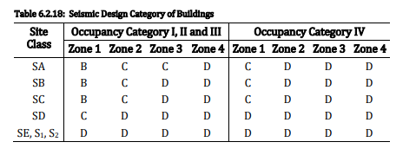

(from Table 6.2.18, P-620)
Seismic design category = |  |  | D

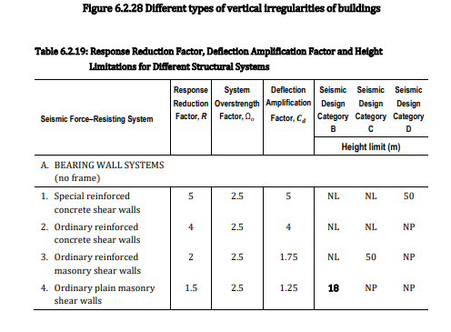

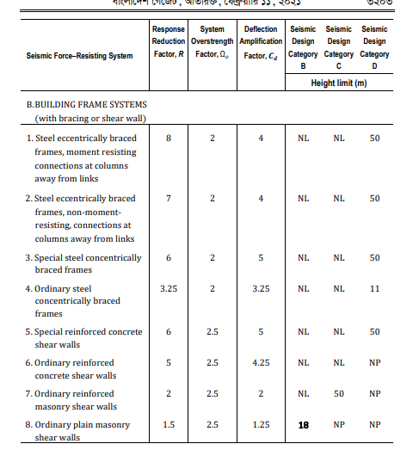

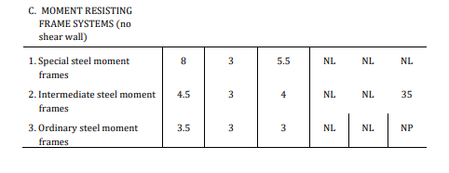

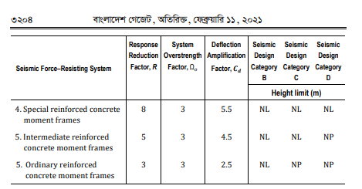

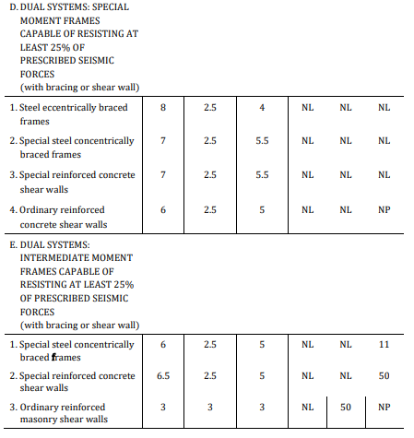

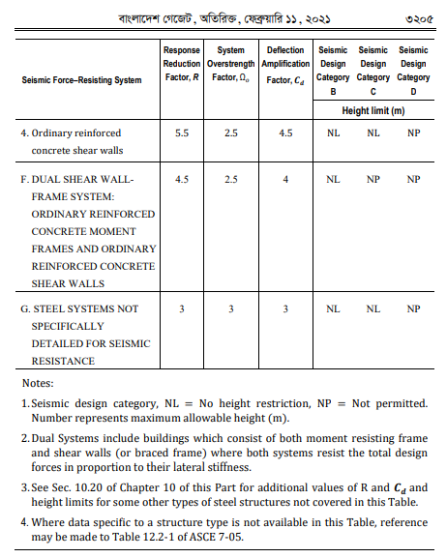

(from Table 6.2.19, P-624)=
Response Reduction Factor, R= |  |  |  | 7
System Overstrength Factor, Ω= |  |  |  | 2.5
Deflection Amplification Factor Cd= |  |  |  | 5.5

Seismic Design Parameters for Alternative Method of Base Shear Calculation

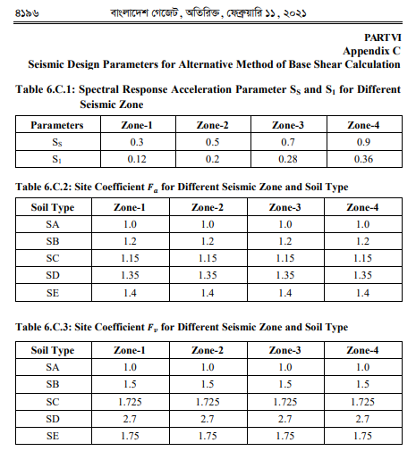

(Table 6.C.1: P-1618)

Ss= | 0.7
Sc= | 0.28

long period transition period= |  |  | 2 | sec.

Fa= |  |  | 1.15
Fv= |  |  | 1.725

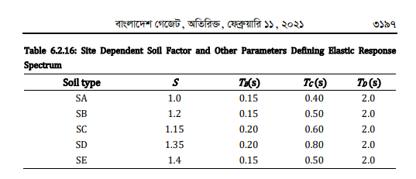

(from Table 6.2.16, P-619)=

Ta= | 0.2 | sec.
Tc= | 0.6 | sec.
Td= | 2 | sec.
T= | 0.94
S= | 1.15
ղ= | 1 |  | usually 1 or 5% damping ratio)
Z= | 0.28
I= | 1
R= | 7
β= | 0.11

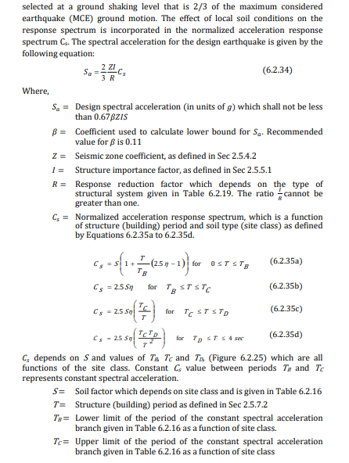

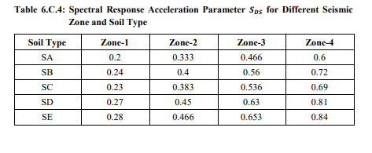

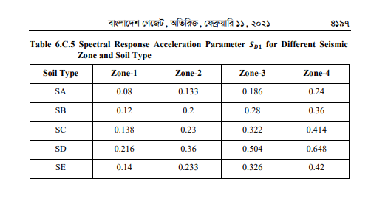

P-615

Cs= | 1.84
Sa(min)= | 0.0237314
Sa= | 0.049066666667 |  | hence ok
V/W=Sa= | 4.9066666667 | % | check this value with etabs report after analysis.

wind
1.Velocity pressure equation, P-559
 |  |  |  |  |  |  |  |  |  | 2.4.3.4 Design procedure
Scope: Buildings and other structures, including the Main Wind-Force Resisting |  |  |  |  |  |  |  |  |  | (1) The basic wind speed  and wind directionality factor 0­ shall be
System (MWFRS) and all components and cladding thereof, shall be designed and |  |  |  |  |  |  |  |  |  | determined in accordance with Sec 2.4.4.
constructed to resist wind loads as specified herein. |  |  |  |  |  |  |  |  |  | (2) An importance factor . shall be determined in accordance with Sec 2.4.5.
Allowed Procedures: The design wind loads for buildings and other structures, |  |  |  |  |  |  |  |  |  | (3) An exposure category or exposure categories and velocity pressure
including the MWFRS and component and cladding elements thereof, shall be |  |  |  |  |  |  |  |  |  | exposure coefficient 0/
determined using one of the following procedures: |  |  |  |  |  |  |  |  |  | or 03, as applicable, shall be determined for each
 |  |  |  |  |  |  |  |  |  | wind direction in accordance with Sec 2.4.6.
 |  |  |  |  |  |  |  |  |  | (4) A topographic factor 0/" shall be determined in accordance with Sec 2.4.7.
Method 1: Simplified Procedure as specified in Sec 2.4.2 for buildings and |  |  |  |  |  |  |  |  |  | (5) A gust effect factor , or ,, as applicable, shall be determined in
structures meeting the requirements specified therein; |  |  |  |  |  |  |  |  |  | accordance with Sec 2.4.8.
Method 2: Analytical Procedure as specified in Sec 2.4.3 for buildings and |  |  |  |  |  |  |  |  |  | (6) An enclosure classification shall be determined in accordance with Sec
structures meeting the requirements specified therein; |  |  |  |  |  |  |  |  |  | 2.4.9.
Method 3: Wind Tunnel Procedure as specified in Sec 2.4.16 |  |  |  |  |  |  |  |  |  | (7) Internal pressure coefficient ,‑!
 |  |  |  |  |  |  |  |  |  | shall be determined in accordance with
2. windward and leeward coefficient (P-574): |  |  |  |  |  |  |  |  |  | Sec 2.4.10.1.
 |  |  |  |  |  |  |  |  |  | (8) External pressure coefficients ‑! or ,‑!, or force coefficients ‑, as
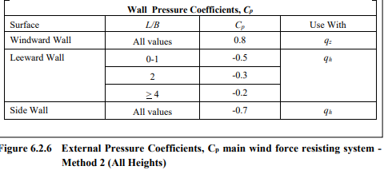
 |  |  |  |  |  |  |  |  |  | applicable, shall be determined in accordance with Sections 2.4.10.2 or
 |  |  |  |  |  |  |  |  |  | 2.4.10.3, respectively.
 |  |  |  |  |  |  |  |  |  | (9) Velocity pressure X/ or X3, as applicable, shall be determined in accordance
 |  |  |  |  |  |  |  |  |  | with Sec 2.4.9.5.
 |  |  |  |  |  |  |  |  |  | (10) Design wind load ; or & shall be determined in accordance with Sec
 |  |  |  |  |  |  |  |  |  | 2.4.11.

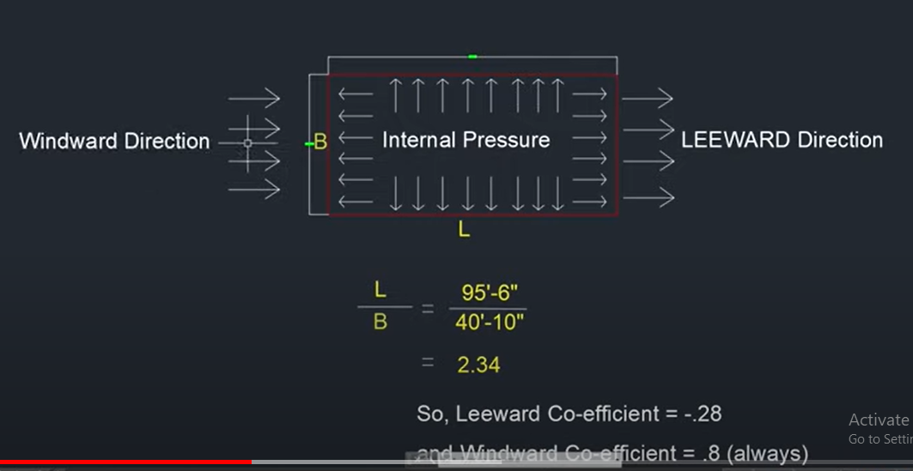

along X- direction |  |  |  |  |  |  | along Y- direction
L= |  | 95.5 | ft |  |  |  | L= |  | 40.833 | ft
B= |  | 40.833 | ft |  |  |  | B= |  | 95.5 | ft

L/B= |  | 2.3387946024 | ft |  |  |  | L/B= |  | 0.42757068063 | ft

interpolation

2 | 4 | = | -2 | 0.05
-0.3 | -0.2 | = | -0.1
2.3387946024 |  | = | 0.3387946024 | 0.01693973012
-0.28306026988

windward coeeficient= |  |  | 0.8
Leeward coefficient= |  |  | -0.28

3. wind speed, P-603

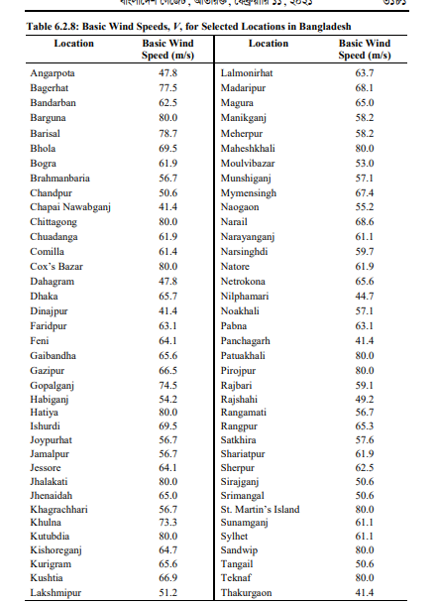

4. Surface roughness categories, P-554

2.4.6.2 Surface roughness categories
A ground surface roughness within each 45o
sector shall be determined for a distance
upwind of the site as defined in Sec 2.4.6.3 from the categories defined in the
following text, for the purpose of assigning an exposure category as defined in
Sec 2.4.6.3.
Surface Roughness A: Urban and suburban areas, wooded areas, or other terrain with
numerous closely spaced obstructions having the size of single-family dwellings or
larger.
Surface Roughness B: Open terrain with scattered obstructions having heights
generally less than 9.1 m. This category includes flat open country, grasslands, and
all water surfaces in cyclone prone regions.
Surface Roughness C: Flat, unobstructed areas and water surfaces outside cyclone
prone regions. This category includes smooth mud flats and salt flats.
2.4.6.3 Exposure categories
Exposure A: Exposure A shall apply where the ground surface roughness condition,
as defined by Surface Roughness A, prevails in the upwind direction for a distance of
at least 792 m or 20 times the height of the building, whichever is greater.
Exception: For buildings whose mean roof height is less than or equal to 9.1 m, the
upwind distance may be reduced to 457 m.
Exposure B: Exposure B shall apply for all cases where Exposures A or C do not
apply.
Exposure C: Exposure C shall apply where the ground surface roughness, as
defined by Surface Roughness C, prevails in the upwind direction for a distance
greater than 1,524 m or 20 times the building height, whichever is greater.
Exposure C shall extend into downwind areas of Surface Roughness A or B for a
distance of 200 m or 20 times the height of the building, whichever is greater.
For a site located in the transition zone between exposure categories, the
category resulting in the largest wind forces shall be used.
Exception: An intermediate exposure between the preceding categories is
permitted in a transition zone provided that it is determined by a rational
analysis method defined in the recognized literature

say Exposure type= |  |  | A | (it is B for Etabs)

5. occupancy category= |  |  | 2 |  | (same as seismic, P-483)
6. importance factor= |  |  | 1 |  | (different from seismic, P-604, Table-6.2.9)
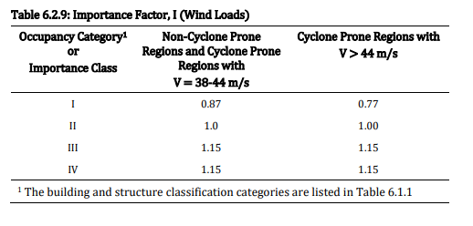

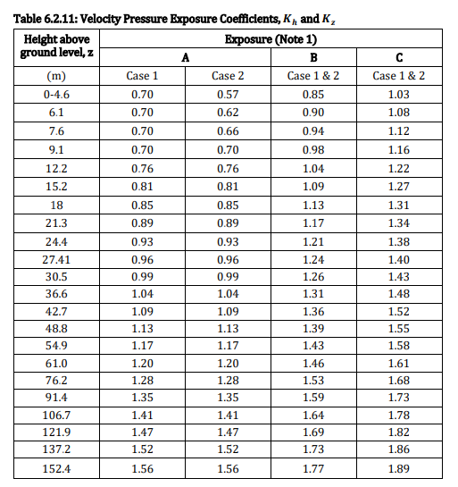

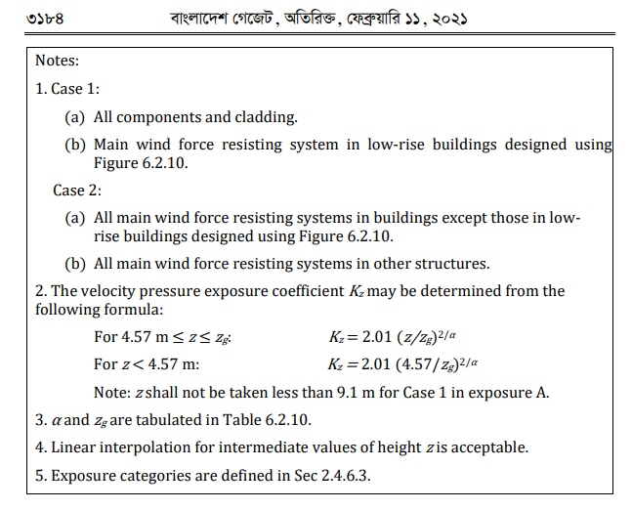

Kh=kz= |  |  |  |  |  | (from table 6.2.11, P-605)

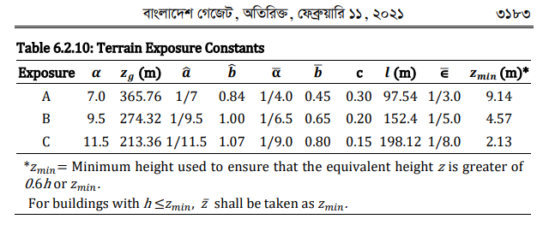

7. Topographic factor (P-556)

Kzt= | 1

8. Gust Effect Factor, P-556 |  |  |  |  |  |  |  | (from table 6.2.10, P-605)
 |  |  |  |  |  |  |  | (from table 6.2.10, P-605)
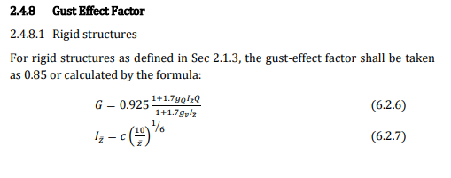

 |  |  |  |  |  |  |  | (from table 6.2.10, P-605)
 |  |  |  |  |  |  |  | (from table 6.2.10, P-605)

for rigid structure, when f>1, gust factor= |  |  |  |  | 0.85
for semi-rigid structure, when f<1, gust factor=

 |  |  |  |  | Zmin (m) | Exposure
Z'=0.6*h= |  | 16.829268293 | m | > | 9.14 | A | hence ok
c= |  | 0.3

Iz= |  | 0.27507030926
gq=gv= |  | 3.4
l= |  | 97.54 | m
€= |  | 0.33333333333
Lz= |  | 116.02132722
B= |  | 12.449085366
h= |  | 28.048780488
(B+h)/Lz= |  | 0.34905535752
((B+h)/Lz)^0.63= |  | 0.51525642292
0.63*((B+h)/Lz)^0.63= |  | 0.32461154644
1+0.63*((B+h)/Lz)^0.63= |  | 1.3246115464
Q= |  | 0.86887185953

For flexible or dynamically sensitive structures as defined in Sec 2.1.3 (natural period greater than 1.0 second), the gust-effect factor shall be

α'= |  | 0.25 |  |  | (from table 6.2.10, P-605)
β'= |  | 0.45 |  |  | (from table 6.2.10, P-605)
ղ1= |  | 1.07
z'= |  | 16.829268293
z'/10= |  | 1.6829268293
(z'/10)^α'= |  | 1.1389805518
V= |  | 80 | m/s
b= |  | 12.449085366
Vz= |  | 1134.3412895
h= |  | 28.048780488
B= |  | 12.449085366
L= |  | 29.115853659

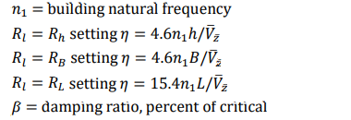
 |  |  |  |  |  | = | 1.07
 |  |  |  |  |  | = | 0.12145616746
 |  |  |  |  |  | = | 0.053906735715

 |  |  |  |  |  | = | 0.42208314149
 |  |  |  |  |  | = | 0.05

9. Wind Directionality Factor, P-606
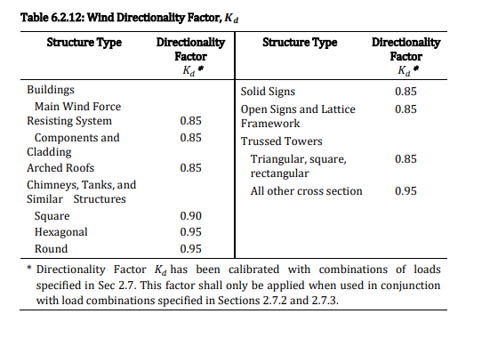

Wind Directionality Factor, Kd= |  |  |  | 0.85

e1=ex= | 0
e2=ey= | 0

eccentricity
the Center of mass and rigidity |  |  |  |  |  |  |  |  |  |  |  | the Eccentricity
Story | Diaphragms | Mass X | Mass y | C.M |  | Cumulative x | Cumulative Y | XCCM | YCCm | C.R |  | Eccentricity |  | Dimension |  | ex/Dx result |  | ey/Dy result
 |  |  |  | xm | ym |  |  |  |  | XCR | YCR | ex | ey | Bx | By | % |  | %
 |  |  |  |  |  |  |  |  |  |  |  | 0.00 | 0.00 | 15 | 13 | 0.0 | Ok | 0.0 | Ok

 |  |  |  |  |  |  |  |  |  |  |  |  |  |  |  | 0.0 |  | 0.0

 |  |  |  |  |  |  |  |  |  |  |  |  | s



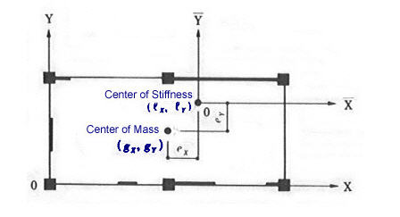
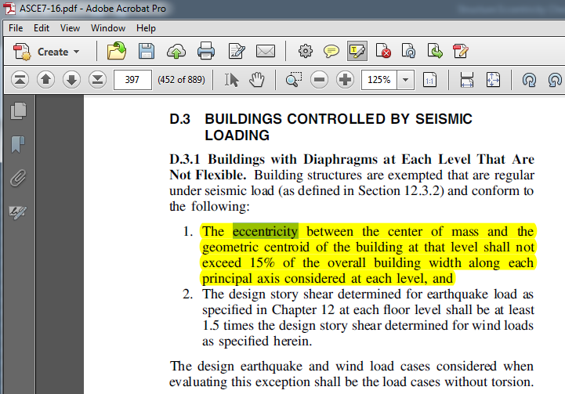

CR

Dy
CM

Dx

 | Center of Stiffness = Center of Rigidity

 | -> Center of Stiffness (CM) -> Center of Rigidity (CR)

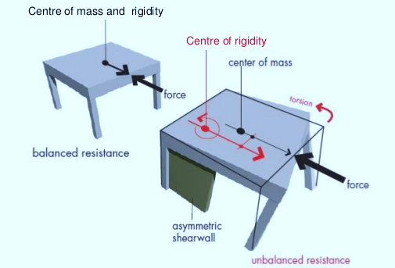
 |  |  | Note: Allowable Eccentricity. ex < 15 % of Dx | ey < 15 % of Dy

Water Tank
https://www.youtube.com/watch?v=DAF3ss6EstA
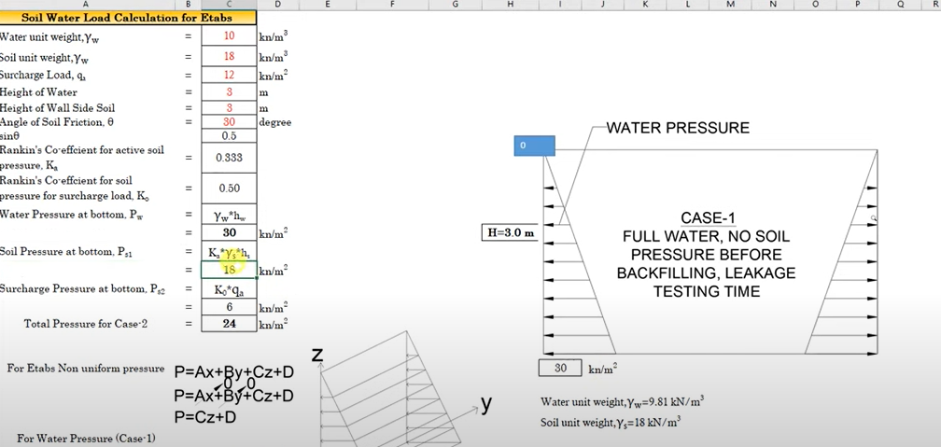
Input Data:
 | Wall Height, H = | 20.000 | ft. |  | Φ
Depth to GWT, H1 = |  | 20.000 | ft.
Soil Dry Unit Wt., gs = |  | 0.120 | kcf
Soil Sat. Unit Wt., g(sat) = |  | 0.135 | kcf
Soil Friction Angle, f1 = |  | 30.00 | deg.
Soil Friction Angle, f2 = |  | 30.00 | deg.
Active or At-Rest Cond.? |  | At-Rest
Surcharge Load, Q = |  | 0.000 | ksf

Water unit wt. Yw= |  |  |  |  |  | 10 | kN/m3
Soil unit wt. Ys= |  |  |  |  |  | 18 | kN/m3
Surcharge Load, Qa = |  |  |  |  |  | 12 | kN/m3
Height of water, Hw= |  |  |  |  |  | 2.13 | m
Height of wall side soil, Hs= |  |  |  |  |  | 2.13 | m
Width of Wall, B= |  |  |  |  |  | 3 | m
Length of Wall, L= |  |  |  |  |  | 4 | m
Angle of Friction,Ɵ |  |  |  |  |  | 20 | degree
sinƟ |  |  |  |  |  | 0.34202014333
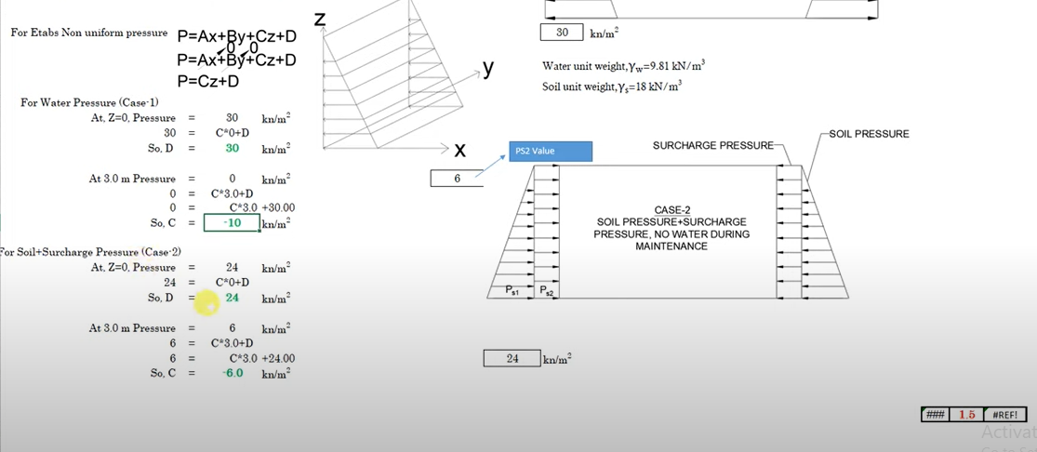
rankin Co-efficient for active soil pressure, ks= |  |  |  |  |  | 0.49029059657
rankin Co-efficient for soil pressure for surcharge load, ko= |  |  |  |  |  | 0.65797985667
Water pressure at bottom, Pw=yw*hw |  |  |  |  |  | 21.3 | kN/m2
Soil pressure at bottom, Ps1=Ks*Ys*Hs |  |  |  |  |  | 18.797741472 | kN/m2
Surcharge pressure at bottom, Ps2=ko*qa |  |  |  |  |  | 7.8957582801 | kN/m2
Total Pressure for case2= |  |  |  |  |  | 26.693499752 | kN/m2

For Etabs Non Uniform pressure,
P=Ax+By+Cz+D
x= | 0
y= | 0
P= | Cz+D

say=
For water pressure, case-1 |  |  |  |  | C= | 1
At, Z= | 0 |  |  |  | Pressure= | 21.3 | KN/m2
D= |  |  |  |  |  | 21.3 | KN/m2

At, Z= | 2.13 |  |  |  | Pressure= | 0 | KN/m2
C= |  |  |  |  |  | -10 | KN/m2

For water pressure, case-2 |  |  |  |  | C= | 1
At, Z= | 0 |  |  |  | Pressure= | 24 | KN/m2
D= |  |  |  |  |  | 24 | KN/m2

At, Z= | 2.13 |  |  |  | Pressure= | 7.8957582801 | KN/m2
C= |  |  |  |  |  | -7.5606768638 | KN/m2

Loads on Bottom slab= |  |  |  |  |  | 444.85902 | Ib/sft

Loads:
Earth Pressure= |  | SP | -1
Water Pressure= |  | WP | 1
Dead Load= |  | DL
Combination:
Soil Pressure= |  | DL (1)+WP (1)
WP-service= |  | WP (1)
WP (ult)= |  | WP (1.6)
SP-service= |  | SP (1)
SP (ult)= |  | SP (1.6)

check for deflection:
allowable wall and bottom slab deflection= |  |  |  | height of the wall/100

Load combination
2.7.3.1 Basic combinations
1. 1.4(D + F) |  |  |  |  |  | Each relevant strength limit state shall be investigated. Effects of one or more loads
2. 1.2(D + F + T) + 1.6(L + H) + 0.5(Lr or R) |  |  |  |  |  | not acting shall be investigated. The most unfavorable effect from both wind and
3. 1.2D + 1.6(Lr or R) + (L or 0.8W) |  |  |  |  |  | earthquake loads shall be investigated, where appropriate, but they need not be
4. 1.2D + 1.6W + L + 0.5(Lr or R) |  |  |  |  |  | considered to act simultaneously.
5. 1.2D + 1.0E + 1.0L |  |  |  |  |  | Exceptions:
6. 0.9D + 1.6W + 1.6H |  |  |  |  |  | 1. The load factor on live load L in combinations (3), (4), and (5) is
7. 0.9D + 1.0E + 1.6H |  |  |  |  |  | permitted to be reduced to 0.5 for all occupancies in which minimum
 |  |  |  |  |  | specified uniformly distributed live load is less than or equal to 5.0
Basic Load combination: |  |  |  |  |  | kN/m2
1. 1.4 DL |  |  |  |  |  | , with the exception of garages or areas occupied as places of
2. 2. 1.2 DL+1.6 LL+0.5 Lr |  |  |  |  |  | public assembly.
3. 1.2DL+1.6Lr+LL |  |  |  |  |  | 2. The load factor on H shall be set equal to zero in combinations (6) and (7)
4. 1.2DL+1.6Lr+0.8W |  |  |  |  |  | if the structural action due to H counteracts that due to W or E. Where
5. 1.2DL+1.6W+LL+0.5Lr |  |  |  |  |  | lateral earth pressure provides resistance to structural actions from other
6. 1.2DL+EQ+LL |  |  |  |  |  | forces, it shall not be included in H but shall be included in the design
7. 0.9DL+1.6W |  |  |  |  |  | resistance.
8. 0.9DL+EQ |  |  |  |  |  | 3. For structures designed in accordance with the provisions of Chapter 6,
Modified Load combination: |  |  |  |  |  | Part 6 of this Code (reinforced concrete structures), where wind load W
(Directly applicable this load combination for seismic category B) |  |  |  |  |  | has not been reduced by a directionality factor, it shall be permitted to use
1. 1.4 DL |  |  |  |  |  | 1.3W in place of 1.6W in (4) and (6) above.
2. 2. 1.2 DL+1.6 LL+0.5 Lr |  |  |  |  |  | When a structure is located in a flood zone or in tidal surge zone, the following load
3. 1.2DL+1.6Lr+LL |  |  |  |  |  | combinations shall be considered:
4. 1.2DL+1.6Lr+0.8Wx |  |  |  |  |  | 1. In Coastal Zones vulnerable to tidal surges, 1.6W shall be replaced by
5. 1.2DL+1.6Lr-0.8Wx |  |  |  |  |  | 1.6W+2.0Fa in combinations (4) and (6).
6. 1.2DL+1.6Lr+0.8Wy |  |  |  |  |  | 2. In Non-coastal Zones, 1.6W shall be replaced by 0.8W+1.0Fa in combinations
7. 1.2DL+1.6Lr-0.8Wy |  |  |  |  |  | (4) and (6)
8. 1.2DL+1.6W+LL+0.5Lr
9. 1.2DL-1.6Wx+LL+0.5Lr |  |  |  |  |  | (For symbol and notification see BNBC 3103)
10. 1.2DL+1.6Wy+LL+0.5Lr |  |  |  |  |  | D = Dead loads, or related internal moments and forces, Dead load
11. 1.2DL-1.6Wy+LL+0.5Lr |  |  |  |  |  | consists of: a) weight of the member itself, b) weight of all materials
12. 1.2DL+EQx+LL |  |  |  |  |  | of construction incorporated into the building to be permanently
13. 1.2DL-EQx+LL |  |  |  |  |  | supported by the member, including built-in partitions, c) weight of
14. 1.2DL+EQy+LL |  |  |  |  |  | permanent equipment (as used in Sec 2.7).
15. 1.2DL-EQy+LL
16. 0.9DL+1.6Wx |  |  |  |  |  | F = Design wind force for other structures, in N (as used in Sec 2.4).
17. 0.9DL-1.6Wx |  |  |  |  |  | F = Loads due to weight and pressures of fluids with well-defined
18. 0.9DL+1.6Wy |  |  |  |  |  | densities and controllable maximum heights or related internal
19. 0.9DL-1.6Wy |  |  |  |  |  | moments and forces (as used in Sec 2.7).
20. 0.9DL+EQx |  |  |  |  |  | ///////////
21. 0.9DL-EQx |  |  |  |  |  | T = Fundamental period of vibration of structure, in seconds, of the
22. 0.9DL+EQy |  |  |  |  |  | structure in the direction under consideration. (as used in Sec 2.5)
23. 0.9DL-EQy |  |  |  |  |  | T = Self-straining forces and cumulative effect of temperature, creep,
 |  |  |  |  |  | shrinkage, differential settlement, and shrinkage-compensating
 |  |  |  |  |  | concrete, or combinations thereof, or related internal moments and
2.5.13 Earthquake Load Effects and Load Combinations |  |  |  |  |  | forces. (as used in Sec 2.7)
The seismic load effect, E, shall be determined in accordance with the following: |  |  |  |  |  | /////
 |  |  |  |  |  | L = Horizontal dimension of a building measured parallel to the wind
1. For use in load combination 5 in Section 2.7.3 or load combination 5 and 6 |  |  |  |  |  | direction, in m (as used in Sec 2.4)
in Section 2.7.2, E shall be determined in accordance with the following |  |  |  |  |  | L = Live loads due to intended use and occupancy, including loads due to
equation, |  |  |  |  |  | movable objects and movable partitions and loads temporarily
E = Eh + Ev |  |  |  |  |  | supported by the structure during maintenance, or related internal
 |  |  |  |  |  | moments and forces, 6 includes any permissible reduction. If
2. For use in load combination 7 in Section 2.7.3 or load combination 8 in |  |  |  |  |  | resistance to impact loads is taken into account in design, such
Section 2.7.2, E shall be determined in accordance with following equation, |  |  |  |  |  | effects shall be included with the live load 6. (as used in Sec 2.7).
E = Eh − Ev |  |  |  |  |  | ////////
 |  |  |  |  |  | H = Height of hill or escarpment in Figure 6.2.4 in m.
Where,
E = total seismic load effect |  |  |  |  |  | H = Loads due to weight and pressure of soil, water in soil, or other
Eh = effect of horizontal seismic forces as defined in Sections 2.5.7 or 2.5.9 |  |  |  |  |  | materials, or related internal moments and forces (as used in Sec 2.7)
Ev = effect of vertical seismic forces as defined in Section 2.5.13.2 |  |  |  |  |  | /////////////
 |  |  |  |  |  | Lr = Roof live loads, or related internal moments and forces. (as used in
2.5.13.1 Horizontal earthquake loading, Eh |  |  |  |  |  | Sec 2.7)
The horizontal seismic load effect, Eh, shall be taken as the horizontal load |  |  |  |  |  | Lr = Horizontal dimension of return corner for a solid freestanding wall or
effects of seismic base shear V (Sec 2.5.7 or 2.5.9) or component forces Fc (Sec |  |  |  |  |  | solid sign from Figure 6.2.20, in m. (as used in Sec 2.4)
2.5.15). |  |  |  |  |  | ///////
The directions of application of horizontal seismic forces for design shall be |  |  |  |  |  | R = Resonant response factor from Eq. 6.2.12
those which will produce the most critical load effects. Earthquake forces act in |  |  |  |  |  | R = Response reduction factor for structural systems. (as used in Sec 2.5)
both principal directions of the building simultaneously. In order to account for |  |  |  |  |  | R = Rain load, or related internal moments and forces. (as used in Sec
that, |  |  |  |  |  | 2.7}
 |  |  |  |  |  | /////
(a) For structures of Seismic Design Category B, the design horizontal |  |  |  |  |  | W = Width of building in Figures 6.2.12, 6.2.14(a) and 6.2.14(b), and
seismic forces are permitted to be applied independently in each of |  |  |  |  |  | width of span in Figures 6.2.13 and 6.2.15 in m.
two orthogonal directions and orthogonal interaction effects are |  |  |  |  |  | W = Total seismic weight of building. (as used in Sec 2.5)
permitted to be neglected |  |  |  |  |  | W = Wind load, or related internal moments and forces. (as used in Sec
(b) Structures of Seismic Design Category C and D shall, as a minimum, |  |  |  |  |  | 2.7)
conform to the requirements of (a) for Seismic Design Category B and
in addition the requirements of this Section. The structure of Seismic |  |  |  |  |  | E = Total load effects of earthquake that include both horizontal and vertical, or related internal moments and forces. The horizontal seismic load effect shall include system overstrength factor, Wo, if applicable. For specific definition of the earthquake load effect, %, see Sec 2.5.
Design Category C with plan irregularity type V and Seismic Design |  |  |  |  |  | ////////////
Category D shall be designed for 100% of the horizontal seismic
forces in one principal direction combined with 30% of the
horizontal seismic forces in the orthogonal direction. Possible
combinations are:

“+/-100% in x-direction +/-30% in y-direction” or

+/-30% in x-direction +/-100% in y-direction”

The combination which produces most unfavourable effect for the
particular action effect shall be considered. This approach may be
applied to equivalent static analysis, response spectrum analysis and
linear time history analysis procedure.
(c) Where three-dimensional analysis of a spatial structure model is
performed as in 3D time history analysis, simultaneous application of
accelerations in two directions shall be considered where the ground
motions shall satisfy the conditions stated in Sections 2.5.10.2 or
2.5.11.2.
2.5.13.2 Vertical earthquake loading, Ev
The maximum vertical ground acceleration shall be taken as 50 percent of the
expected horizontal peak ground acceleration (PGA). The vertical seismic load
effect Ev may be determined as:
Ev= 0.5 (ah) DL (6.2.56)

Where,
ah= expected horizontal peak ground acceleration (in g) for design = (2/3)ZS
DL= effect of dead load,
S= site dependent soil factor (see Table 6.2.16).

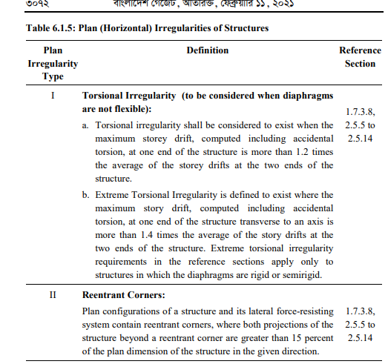

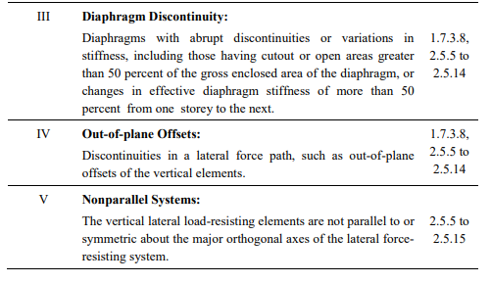

 | here,
 | Z= | 0.28
 | S= | 1.15
 | ah= | 0.21
 | Ev= | 0.11 | DL

 | (Directly applicable this load combination for seismic category C(v) and D)
 | 1.2DL+EQx+0.3*EQy+LL |  | + | 0.11 | DL
 | 1.2DL-EQx+0.3*EQy+LL |  | + | 0.11 | DL
 | 1.2DL+Eqx-0.3*EQy+LL |  | + | 0.11 | DL
 | 1.2DL-Eqx-0.3*EQy+LL |  | + | 0.11 | DL

 | 1.2DL+0.3*EQx+EQy+LL |  | + | 0.11 | DL
 | 1.2DL-0.3*EQx+EQy+LL |  | + | 0.11 | DL
 | 1.2DL+0.3*Eqx-EQy+LL |  | + | 0.11 | DL
 | 1.2DL-0.3*Eqx-EQy+LL |  | + | 0.11 | DL

 | 0.9*DL+EQx+0.3*EQy+LL |  | + | 0.11 | DL
 | 0.9*DL-EQx+0.3*EQy+LL |  | + | 0.11 | DL
 | 0.9*DL+Eqx-0.3*EQy+LL |  | + | 0.11 | DL
 | 0.9*DL-Eqx-0.3*EQy+LL |  | + | 0.11 | DL

 | 0.9*DL+0.3*EQx+EQy+LL |  | + | 0.11 | DL
 | 0.9*DL-0.3*EQx+EQy+LL |  | + | 0.11 | DL
 | 0.9*DL+0.3*Eqx-EQy+LL |  | + | 0.11 | DL
 | 0.9*DL-0.3*Eqx-EQy+LL |  | + | 0.11 | DL

 | 1. 1.4 DL
 | 2. 2. 1.2 DL+1.6 LL+0.5 Lr
 | 3. 1.2DL+1.6Lr+LL
 | 4. 1.2DL+1.6Lr+0.8Wx
 | 5. 1.2DL+1.6Lr-0.8Wx
 | 6. 1.2DL+1.6Lr+0.8Wy
 | 7. 1.2DL+1.6Lr-0.8Wy
 | 8. 1.2DL+1.6W+LL+0.5Lr
 | 9. 1.2DL-1.6Wx+LL+0.5Lr
 | 10. 1.2DL+1.6Wy+LL+0.5Lr
 | 11. 1.2DL-1.6Wy+LL+0.5Lr
 | 12. 1.2DL+EQx+LL
 | 13. 1.2DL-EQx+LL
 | 14. 1.2DL+EQy+LL
 | 15. 1.2DL-EQy+LL
 | 16. 0.9DL+1.6Wx
 | 17. 0.9DL-1.6Wx
 | 18. 0.9DL+1.6Wy
 | 19. 0.9DL-1.6Wy
 | 20. 0.9DL+EQx
 | 21. 0.9DL-EQx
 | 22. 0.9DL+EQy
 | 23. 0.9DL-EQy

